OFFER
 | Collection | Style Num. | Item Description | Colour Code | Color | Composition | Commodity Code | Preferential Status | Country Description | QTY | UNI | 42 | 44 | 46 | 48 | 50 | 52 | 54 | 56 | XS | S | M | L | XL | XXL | XXXL | WHS | WHS TOT

 | MAN | 12CMBW005A000004G | BEACHWEAR - BOXER | 888 | TOTAL ECLIPSE | 100% PA | 6211110000 | EU | BULGARIA | 2 |  | 1 | 1 |  |  |  |  |  |  |  |  |  |  |  |  |  | € 64.00 | € 128.00
 | MAN | 12CMBW005A000004G | BEACHWEAR - BOXER | 978 | DARK SHADOW | 100% PA | 6211110000 | EU | BULGARIA | 1 |  | 1 |  |  |  |  |  |  |  |  |  |  |  |  |  |  | € 64.00 | € 64.00
 | MAN | 12CMBW276A000004G | BEACHWEAR - BOXER | 455 | FIERY RED | 100% PA | 6211110000 | EU | BULGARIA | 1 |  | 1 |  |  |  |  |  |  |  |  |  |  |  |  |  |  | € 79.00 | € 79.00
 | MAN | 12CMBW276A000004G | BEACHWEAR - BOXER | 888 | TOTAL ECLIPSE | 100% PA | 6211110000 | EU | BULGARIA | 1 |  | 1 |  |  |  |  |  |  |  |  |  |  |  |  |  |  | € 79.00 | € 79.00
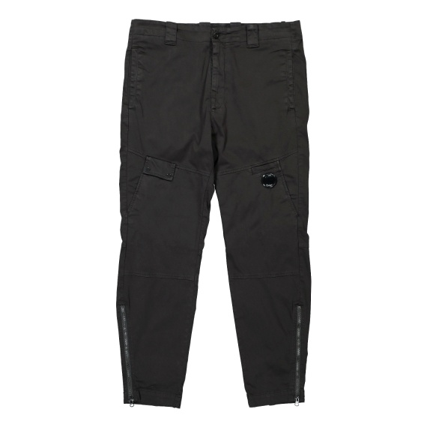 | MAN | 12CMPA061A005694G | PANTS - PANT | 103 | GAUZE WHITE | 98% CO 2% EA | 6203421100 | EU | Romania | 1 |  |  |  |  | 1 |  |  |  |  |  |  |  |  |  |  |  | € 124.00 | € 124.00

 | MAN | 12CMPA132A005991G | PANTS - CARGO PANT | 103 | GAUZE WHITE | 100% PA | 6203431100 | NO PREF | Romania | 1 |  |  |  |  |  |  | 1 |  |  |  |  |  |  |  |  |  | € 124.00 | € 124.00
 | MAN | 12CMSP071A005086W | SWEATPANTS - CARGO PANT | 322 | SENECA ROCK | 100% CO | 6103420000 | NO PREF | CHINA | 1 |  |  |  |  |  |  |  |  |  |  | 1 |  |  |  |  |  | € 110.00 | € 110.00
 | MAN | 12CMSP071A005086W | SWEATPANTS - CARGO PANT | 455 | FIERY RED | 100% CO | 6103420000 | NO PREF | CHINA | 1 |  |  |  |  |  |  |  |  |  |  | 1 |  |  |  |  |  | € 110.00 | € 110.00
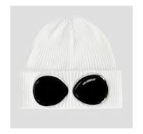 | MAN | 14CMAC016A000727A | ACCESSORIES - KNIT CAP | 103 | GAUZE WHITE | 100% CO | 6505001000 | EU | Italy | 34 |  |  |  |  |  |  |  |  |  |  |  |  |  |  |  |  | € 59.00 | € 2,006.00

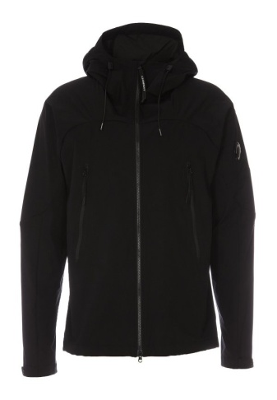 | MAN | 14CMOW003A004117A | OUTERWEAR - MEDIUM JACKET | 330 | COBBLESTONE | 100% PL | 6201401090 | NO PREF | Myanmar | 1 |  |  |  |  |  | 1 |  |  |  |  |  |  |  |  |  |  | € 181.00 | € 181.00
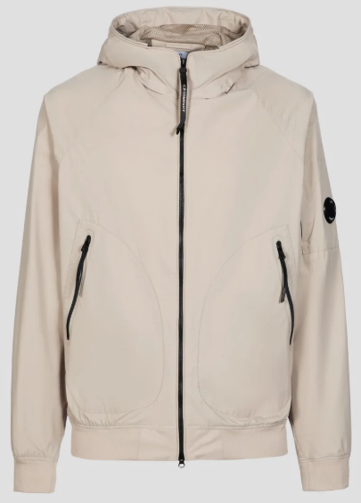 | MAN | 14CMOW095A004117A | OUTERWEAR - SHORT JACKET | 365 | BRACKEN | 100% PL | 6201401090 | NO PREF | CHINA | 1 |  |  |  |  |  | 1 |  |  |  |  |  |  |  |  |  |  | € 189.00 | € 189.00
 | MAN | 14CMOW095A004117A | OUTERWEAR - SHORT JACKET | 888 | TOTAL ECLIPSE | 100% PL | 6201401090 | NO PREF | Myanmar | 1 |  |  |  |  |  |  | 1 |  |  |  |  |  |  |  |  |  | € 189.00 | € 189.00
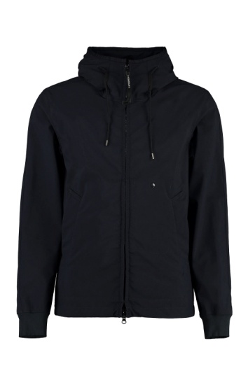 | MAN | 14CMOW149A006364G | OUTERWEAR - MEDIUM JACKET | 509 | PALE MAUVE | 94%PA 6%EA | 6201401090 | EU | BULGARIA | 3 |  |  |  |  |  | 3 |  |  |  |  |  |  |  |  |  |  | € 247.00 | € 741.00
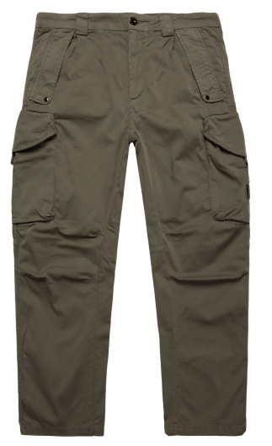 | MAN | 14CMPA059A005694G | PANTS - CARGO PANT | 888 | TOTAL ECLIPSE | 98% CO 2% EA | 6203421100 | NO PREF | Tunisia | 100 |  |  |  | 30 | 70 |  |  |  |  |  |  |  |  |  |  |  | € 124.00 | € 12,400.00
 | MAN | 14CMPA059A005694G | PANTS - CARGO PANT | 999 | BLACK | 98% CO 2% EA | 6203421100 | NO PREF | Tunisia | 133 |  |  |  | 50 | 83 |  |  |  |  |  |  |  |  |  |  |  | € 124.00 | € 16,492.00
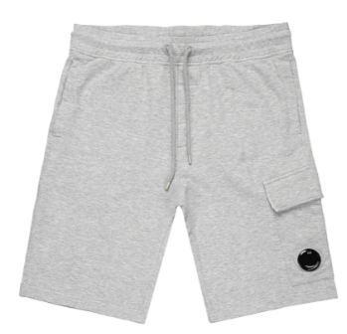 | MAN | 14CMSB021A002246G | SWEATBERMUDA - CARGO | 999 | BLACK | 100% CO | 6103420000 | EU | Italy | 33 |  |  |  |  |  |  |  |  |  |  | 33 |  |  |  |  |  | € 84.00 | € 2,772.00
 | MAN | 14CMSB021A002246G | SWEATBERMUDA - CARGO | M93 | GREY MELANGE | 100% CO | 6103420000 | EU | Italy | 65 |  |  |  |  |  |  |  |  |  |  | 21 | 44 |  |  |  |  | € 84.00 | € 5,460.00
 | MAN | 14CMSP017A005086W | SWEATPANTS - CARGO PANT | M93 | GREY MELANGE | 100% CO | 6103420000 | NO PREF | Myanmar | 17 |  |  |  |  |  |  |  |  |  | 8 | 9 |  |  |  |  |  | € 94.00 | € 1,598.00
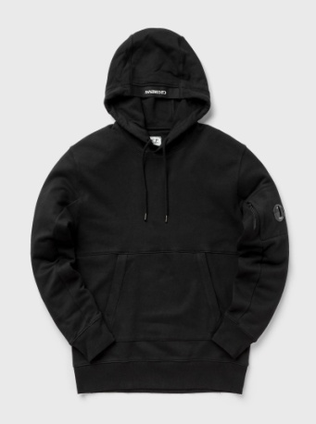

 | MAN | 14CMSS023A005086W | SWEATSHIRTS - SWEAT HOODED | 683 | IVY GREEN | 100% CO | 6110209100 | EU | Greece | 28 |  |  |  |  |  |  |  |  |  |  | 13 | 15 |  |  |  |  | € 115.00 | € 3,220.00
 |  |  |  |  |  |  |  |  |  | 0
 | MAN | 14CMSS023A005086W | SWEATSHIRTS - SWEAT HOODED | 888 | TOTAL ECLIPSE | 100% CO | 6110209100 | EU | Greece | 72 |  |  |  |  |  |  |  |  |  | 4 | 17 | 51 |  |  |  |  | € 115.00 | € 8,280.00

 | MAN | 14CMSS023A005086W | SWEATSHIRTS - SWEAT HOODED | 999 | BLACK | 100% CO | 6110209100 | EU | Greece | 440 |  |  |  |  |  |  |  |  |  | 26 | 174 | 240 |  |  |  |  | € 115.00 | € 50,600.00
 |  |  |  |  |  |  |  |  |  | 0
 | MAN | 14CMSS023A005086W | SWEATSHIRTS - SWEAT HOODED | M93 | GREY MELANGE | 100% CO | 6110209100 | EU | Greece | 35 |  |  |  |  |  |  |  |  |  | 6 | 8 | 10 | 6 | 5 |  |  | € 115.00 | € 4,025.00

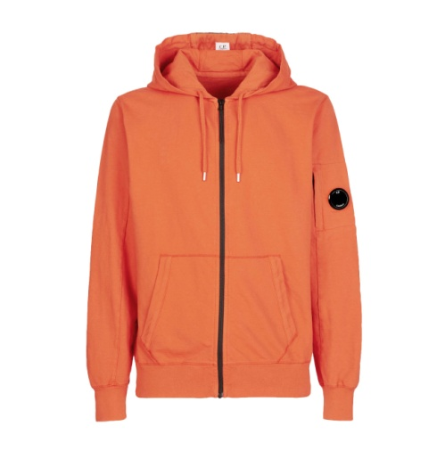 | MAN | 14CMSS034A002246G | SWEATSHIRTS - HOODED OPEN | 103 | GAUZE WHITE | 100% CO | 6110209100 | EU | Italy | 9 |  |  |  |  |  |  |  |  |  | 6 | 3 |  |  |  |  |  | € 116.00 | € 1,044.00
 |  |  |  |  |  |  |  |  |  | 981 |  |  |  |  |  |  |  |  |  |  |  |  |  |  |  |  |  | € 110,015.00

